Sheet1
 | Inputs | Min | Max | Output
Bar Length | 50 |  |  | Feed Force | 57.2 | Engagement Length | 0.25 | m
Grip Length | 15 |  |  |  |  | Grip Length | 0.15 | m
Total Weight | 7.5 |  |  |  |  | Avg Lift Force | 17 | lbs | https://osha.oregon.gov/oshapubs/apps/liftcalc/lift-calculator.html
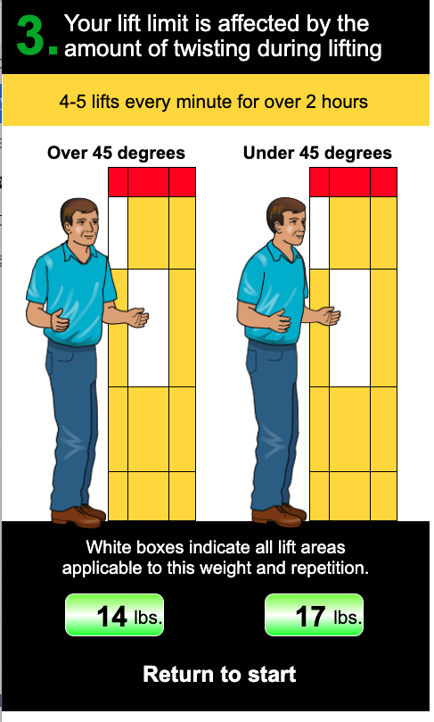
 |  |  |  |  |  |  | 75.6 | N
 |  |  |  |  |  | Total Weight Force | 73.6 | N
 |  |  |  |  |  | Balance Lift | 46.0 | N
 |  |  |  |  |  | Feed Force, Balance | 27.6 | N
 |  |  |  |  |  | Additional Force Applied | 29.6 | N

